CGC BP
 |  |  |  |  |  |  | PROJECT: | 2015 Rooster
 |  |  |  |  |  |  | DATE: | 2014-11-03
 |  |  |  |  |  |  | RFI/ASI:

DESCRIPTION OF CHANGE/WORK PERFORMED

Add drinking fountain at fitness room.

 |  | Labor |  |  |  | Material/Equipment |  |  |  | SUB TIER
Item | Description | Quan | UOM | Unit Cost | Total | Quan | UOM | Unit Cost | Total | UOM | Total
 | DRINKING FOUNTAIN/BOTTLE FILLER IN FITNESS ROOM
 | COORDINATE WITH IMAGING/CORE DRILLER | 1 | HRS | $75.00 | $75
 | LAYOUT WASTE/VENT/WATER PIPING | 1.5 | HRS | $75.00 | $113
 | INSTALL NEW WASTE/VENT LINES | 2 | HRS | $75.00 | $150 | 25 | LF | $0.85 | $21
 | INSTALL NEW WATER LINES | 2 | HRS | $75.00 | $150 | 25 | LF | $0.50 | $13
 | FITTINGS/HANGERS/WALL SUPPORTS |  |  |  |  | 1 | LOT | $136.00 | $136
 | IN-WALL BLOCKING AND MOUNTING FRAME | 3 | HRS | $75.00 | $225
 | TRIM/STARTUP/TEST LABOR | 3 | HRS | $75.00 | $225
 | PERMIT | 0.3 | HRS | $80.00 | $20 | 1 | LS | $15.00 | $15
 | CLEANUP | 0.5 | HRS | $46.00 | $23
 | SUPERVISION | 2 | HRS | $75.00 | $150
 | AS-BUILTS | 1 | HRS | $75.00 | $75
 | Subtotals |  |  |  | $1,206 |  |  |  | $185 |  | $0
 | OH & Profit |  |  | 15% | $180.83 |  |  | 15% | $27.71 | 15% | $0.00
 | Totals |  |  |  | $1,386.33 |  |  |  | $212.46 |  | $0.00
 | Total this item
 | 1,599

 |  |  |  |  |  |  |  |  |  |  |  |  | Chilled? | Other | Unit Cost | OH&P | TOTAL
 |  |  |  |  |  |  |  |  |  |  |  | EZWS-SFGRN8K EZH2O® Bottle Filling Station with SwirlFlo® Green Single Refrigerated Fountain | Yes | 12" Wall cavity needed, frame needed | $2,931.24 | 15% | $3,371 | 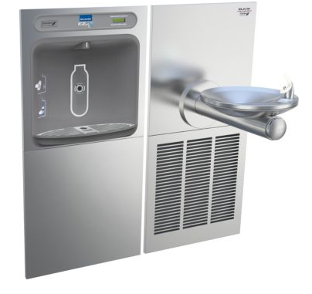
 |  |  |  |  |  |  |  |  |  |  |  | LZSTL8WSS3K Filtered EZH2O® Bottle Filling Station with Versatile Bi-Level ADA Cooler | Yes |  | $1,263.89 | 15% | $1,453 | 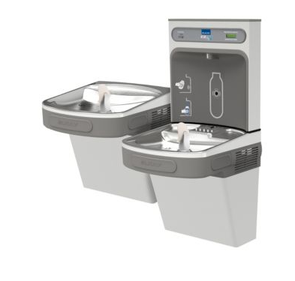
 |  |  |  |  |  |  |  |  |  |  |  | LZS8WSS2K Filtered EZH2O® Bottle Filling Station with Single ADA Cooler | Yes |  | $888.33 | 15% | $1,022 | 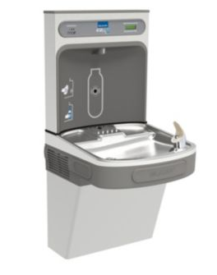
 |  |  |  |  |  |  |  |  |  |  |  | EZSTL8LC Versatile Wall Mount Bi-Level ADA Cooler | Yes |  | $625.00 | 15% | $719 | 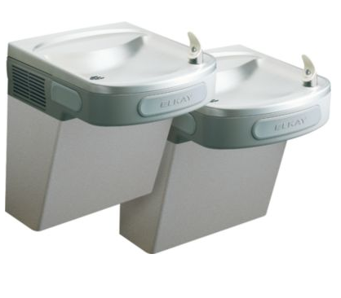
 |  |  |  |  |  |  |  |  |  |  |  |  | Chilled? | Notes | Cost | OH&P | TOTAL
 |  |  |  |  |  |  |  |  |  |  |  | LZWSM8K Filtered EZH2O® Bottle Filling Station In-Wall WITH CHILLER | Yes | 12" Wall cavity needed, frame needed | $2,427.00 | 15% | $2,791
 |  |  |  |  |  |  |  |  |  |  |  | LZWSMDK Filtered EZH2O® Bottle Filling Station In-Wall WITHOUT CHILLER | No | Frame needed | $2,007.00 | 15% | $2,308

